SUBTRACTION 1
Subtraction 1
Type the correct Output for each Input and Operator. Look for patterns! Discuss!

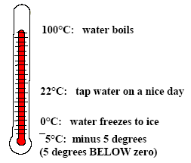
Input |  |  |  |  | Output

4 |  |  |  |  | 2 | ûL | Try again or type ? for answer
 |  |  | Operator
3 |  |  |  |  | 1 | ûL | Try again or type ? for answer
 |  | - | 3
2 |  |  |  |  |  |  | Type a number

1 |  |  |  |  | -3 | ûL | Try again or type ? for answer
 | Click a number for a new exercise!
 |  |  |  | Do all 6 exercises

SUMMARY
 | Summary

 | 4 | + | 3 | = | 7 | -4 | + | 3 | = | -1
 | 4 | + | 2 | = | 6 | -4 | + | 2 | = | -2
 | 4 | + | 1 | = | 5 | -4 | + | 1 | = | -3
 | 4 | + | 0 | = | 4 | -4 | + | 0 | = | -4
4 − ⁻3 = 4 + 3
 | 4 | + | -1 | = | 3 | -4 | + | -1 | = | -5
 | 4 | + | -2 | = | 2 | -4 | + | -2 | = | -6

 | 4 | + | -3 | = | 1 | -4 | + | -3 | = | -7
 | 4 | + | -4 | = | 0 | -4 | + | -4 | = | -8
 | 4 | + | -5 | = | -1 | -4 | + | -5 | = | -9
 | 4 | + | -6 | = | -2 | -4 | + | -6 | = | -10
 |  |  |  |  |  | Use this for any calculation you need:
1 |  |  |  |  |  | -4 | + | -4 | = | -8

 | Click on the above buttons to choose an operation.
 | Study the patterns. Discuss your understanding and your methods to get the answers!

